Test Case 1
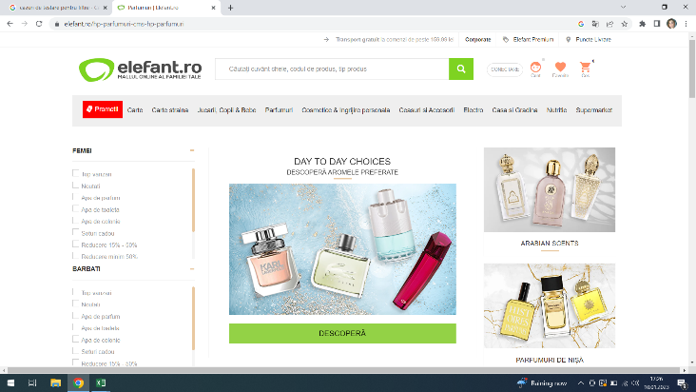
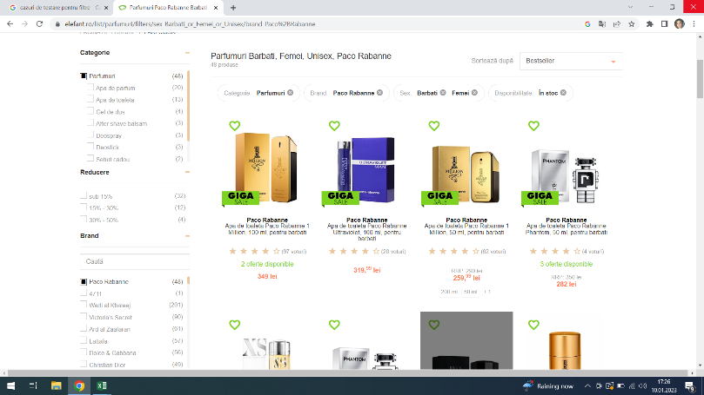
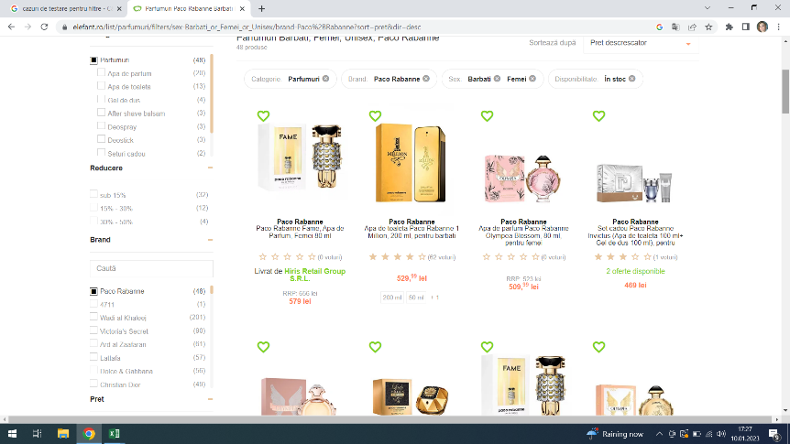
Test Case ID |  |  | Test Case Description
Created By |  | Andreea | Reviewed By |  |  |  | Version

QA Tester’s Log

Tester's Name |  | Andreea | Date Tested 10,01,2023 |  |  |  | Test Case (Pass/Fail/Not Executed)

S # | Prerequisites: |  |  |  | S # | Test Data Requirement
1 | Access to Chrome |  |  |  | 1
2 |  |  |  |  | 2
3 |  |  |  |  | 3
4 |  |  |  |  | 4

Test Description |  | Check if | the sort | works | correctly | for price | High to Low

Step # | Step Details |  | Expected Results |  | Actual Results |  |  | Pass / Fail / Not executed / Suspended

1 | Go to Elefant.ro |  | Site should open |  | Site opened |  |  | Pass
2 | Click on Parfumuri |  | Section should open |  | Section opened |  |  | Pass
3 | Select Paco Rabanne |  | Paco Rabane perfumess should be displayed |  | Paco Rabanne perfumes are displayed |  |  | Pass
4 | Sort Price from High to Low |  | Perfumes sorted by highest price first |  | Perfumes are sorted from highest to lowest |  |  | Pass

Test Case 2
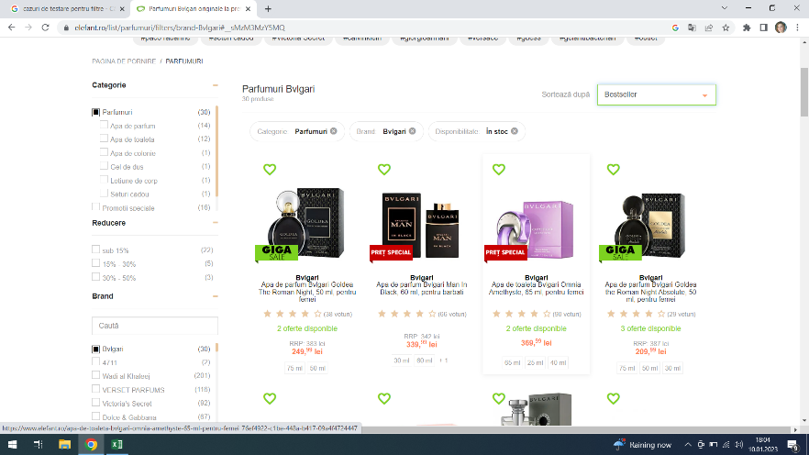
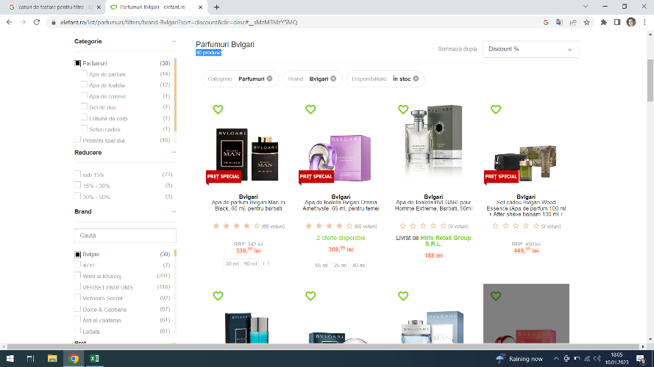
Test Case ID |  |  | Test Case Description
Created By |  | Andreea | Reviewed By |  |  | Version

QA Tester’s Log |  | Andreea

Tester's Name |  |  | Date Tested 10,01,2023 |  |  | Test Case (Pass/Fail/Not Executed)

S # | Prerequisites: |  |  | S # | Test Data Requirement
1 | Access to Chrome |  |  | 1
2 |  |  |  | 2
3 |  |  |  | 3
4 |  |  |  | 4

Test Description |  | Verify that the product count remains the same irrespective of the sorting option applied

Step # | Step Details |  | Expected Results | Actual Results |  |  | Pass / Fail / Not executed / Suspended

1 | Go to Elefant.ro |  | Site should open | Site opened |  |  | Pass
2 | Open Section Parfumuri |  | Section should open | Section opened |  |  | Pass
3 | Select Bvulgari perfumes |  | Bvlgari perfumes should appear | Perfumes appear -TOTAL OF 30 |  |  | Pass
4 | Sort by discount |  | Perfumes should appear sorted by discount -total of 30 | Perfumes appear -TOTAL OF 30 |  |  | Pass

Test Case 3
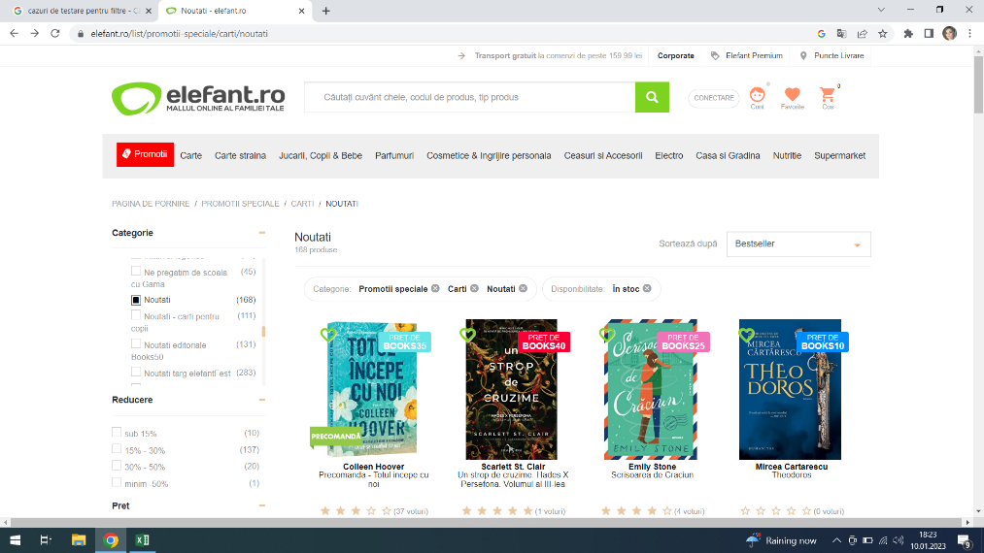
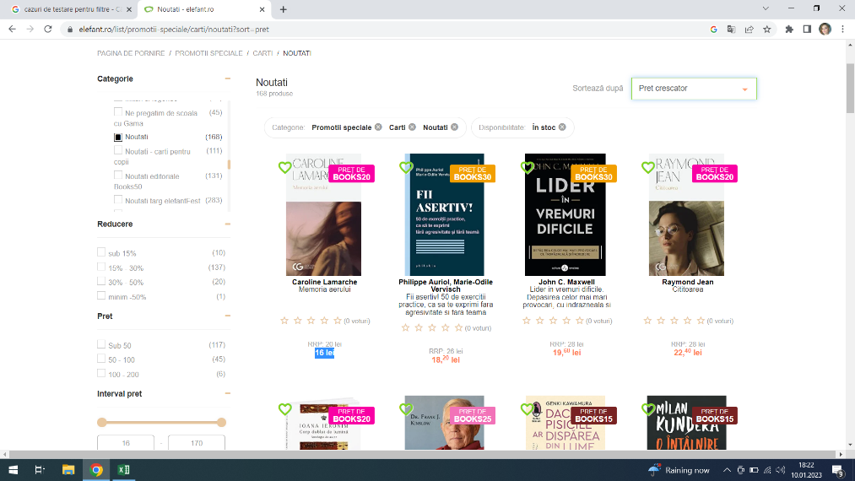
Test Case ID |  |  | Test Case Description
Created By |  | Andreea | Reviewed By |  |  | Version

QA Tester’s Log

Tester's Name |  | Andreea | Date Tested 10.01.2023 |  |  | Test Case (Pass/Fail/Not Executed)

S # | Prerequisites: |  |  | S # | Test Data Requirement
1 | Access to Chrome |  |  | 1
2 |  |  |  | 2
3 |  |  |  | 3
4 |  |  |  | 4

Test Description |  | Check if the sort works correctly for Price Low to High

Step # | Step Details |  | Expected Results | Actual Results |  |  | Pass / Fail / Not executed / Suspended

1 | Go to Elefant.ro |  | Site should open | Site opened |  |  | Pass
2 | Open Section Carte |  | Section should open | Section opened |  |  | Pass
3 | Select Noutati Editoriale |  | Noutati Editoriale should appear | Noutati editoriale appeared |  |  | Pass
4 | Sort Low to High |  | Sorting books from Low to High | Sorting was made from Low to High |  |  | Pass

